Main
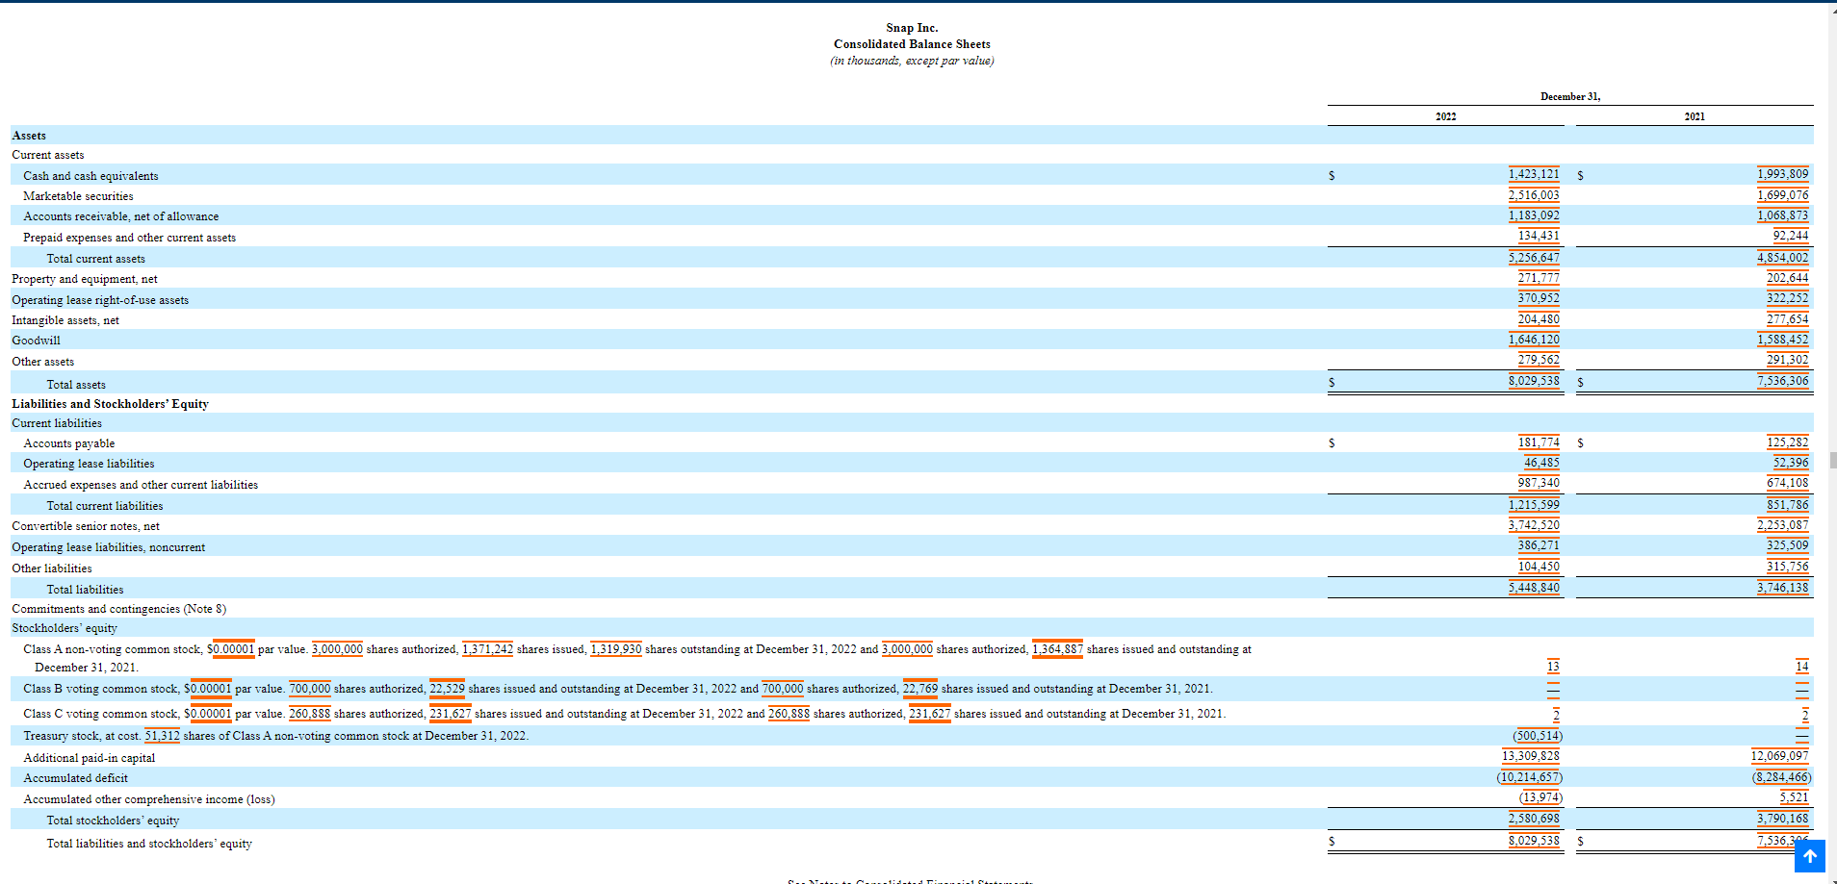
In Millions (divided by 1,000)
 | 2022
Price | 12.75
Shares | 1,319.93 | As of 12/31/22
MC | 16,829.11
Cash | 3,939.12
Debt | 3,742.52 | did not include operating leases
EV | 16,632.50

100% of revenue is comprised of ad revenue

